Questionnaire
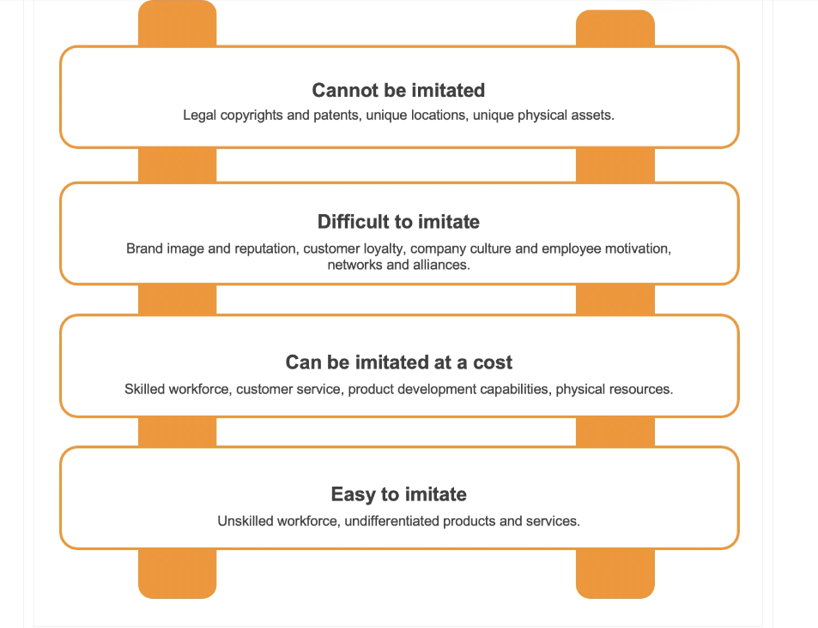
SUCCESS FACTOR | Likert Scale

 | STRONGLY DISAGREE | DISAGREE | FAIR | AGREE | STRONGLY AGREE
Entrepreneurial Competency | 1 | 2 | 3 | 4 | 5
EC1 - Resolve Issues
EC2 - Recognize external trend
EC3 - Building Relationship
EC4 - Management Skills
EC5 - Entrepreurial Skills
EC6 - Technological Skills

Government Support
GS1 - Get the permission
GS2 - Satisfactory Assistance
GS3 - Problems to contact
GS4 - Training Facility
GS5 - Government Policies

Adoption of New Technologies
AT1 - Achieve customer satisfaction
AT2 - Improve quality of products
AT3 - Popularity of Online Marketing
AT4 - Improve information
AT5 - Reduce communication cost

Favorable External Environment
EE1 - Customer Demand
EE2 - Proper channel of distribution
EE3 - Morally right product
EE4 - Government Rules and Policies

Marketing Capability
MC1 - Current brand name
MC2 - Market awareness
MC3 - Communication channel
MC4 - Pricing of the product

Managerial and leadership capacities
MK1 - New product development process
MK2- Leads to profitability
MK3 - Production ways

Standardization of products and services
SP1 - Quality guarantees
SP2 - Clarity of products
SP3 - Promotes the productivity

Business plan
BP1 - Best fit for markets
BP2 - Satisfied your distribution channel
BP3 - Satisfied your current supplier

Entrepreneur success
ES1 - Training for confident skills
ES2 - Build trust and cooperation
ES3 - Specialized knowledge and skills
ES4 - Establishing the right connections
ES5 - Satisfied tax systems
ES6 - Fair for SME market

PART III
Hardwork and perseverance | Unrealistic production plan

 |  |  |  |  | 4304466275

Support by NGAs (financial

PART IV
COMPETITOR-FEATURE COMPARISON CARD | MY COMPANY
 |  | COMPANY 1 | COMPANY 2 | COMPANY 3 | COMPANY 4 | COMPANY 5 | COMPANY 6 | COMPANY 7 | COMPANY 8 | COMPANY 9 | COMPANY 10 | COMPANY 11 | COMPANY 12
Marketing Strategies
Utilize Tiktok Live Selling
Utilize Facebook Page
Do Facebook Live Selling
Post in instagram
Sell in marketplace
Sell in Shopee
Sell in Lazada
Sell in Go lokal and other applications
Hiring of designer or consultant
Attend marketing training
Conduct product photoshoot
Existence of promotions
Put ads in Facebook
Put ads in Instagram
Put ads in youtube
Utilize websites
Products and Services
High quality products
Good and Best review/feedback
competitive price
innovations
Pricing and Costing
Profit
Affordable price from suppliers
Good relationship with suppliers
Available raw supplies
Distribution Channels
Large Scale Reach
Loyal customers
Legend: |  | Existing |  | Not practiced
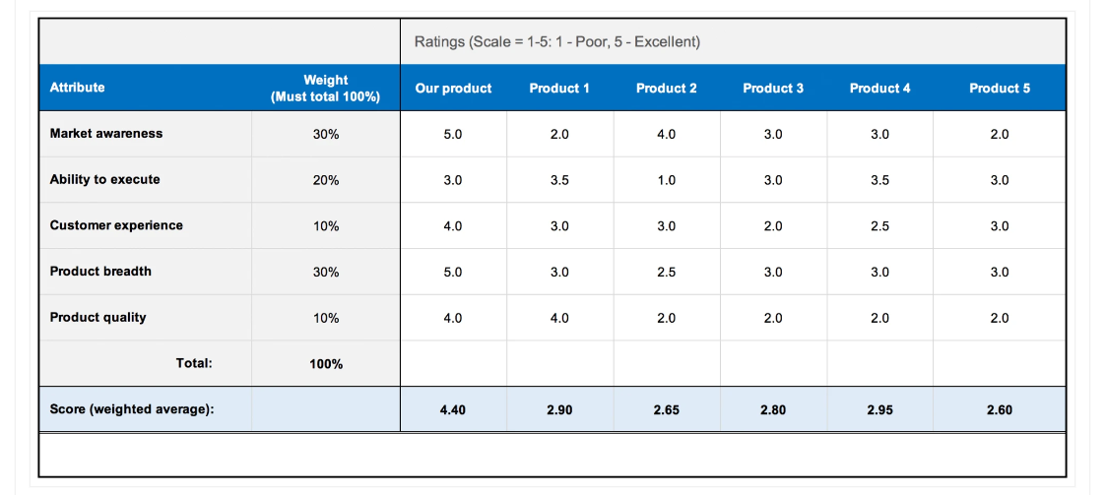

 |  |  |  |  |  | https://www.aha.io/roadmapping/guide/templates/competitor-analysis#:~:text=%E2%80%8BCompetitor%20scorecard,their%20relative%20strengths%20and%20weaknesses.

